Sheet1
 | Document No. | Issue No. | Issue Date |  | Review and Replace Date |  | Authorised By
 | GFF368MC | 1 | 22.09.2022 |  | New Issue |  | Magda Shah
 | Document Title | 2 JACKFRUIT HOG ROAST PARCEL 300g
Document amendments reason for change | New product launch |  |  | Page 1 of 1 | Previous Issue Date | New Issue | Uncontrolled copy unless signed original

CVJFBP-R1TEB | BOOTHS XMAS | 2 JACKFRUIT HOG ROAST PARCEL 300g
STEP 1 |  |  |  | STEP 2
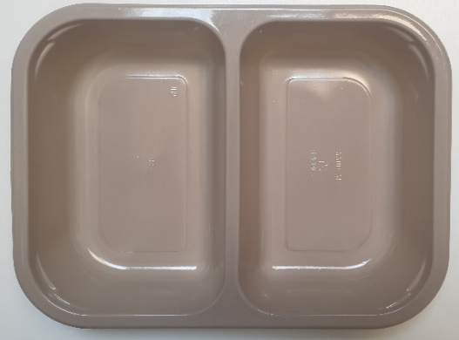 |  |  |  | 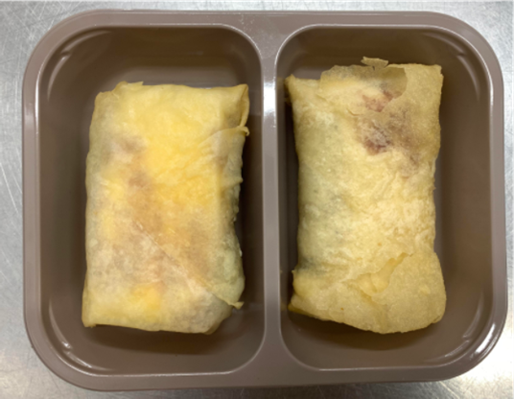

Tray: EVOLVE CPET 2200-2B (PKRHP001-11) |  |  |  | 2 x Jackfruit Hog Roast Parcel (GFF428R):2 x 150g

Film: K peel 7G+25A/f- 275mm (275 mmX1000)(PKKMP001-03)

STEP 3

TOTAL WEIGHT:300g

ALLERGY ALERT: MILK, WHEAT

